Sheet1
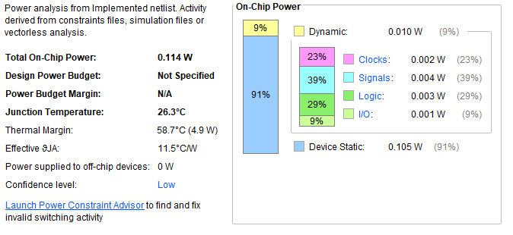
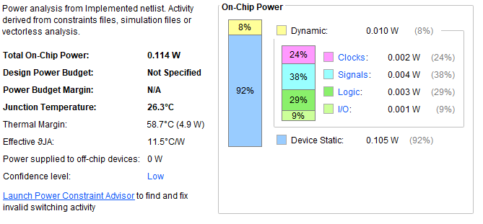
POWER REPORTS

Power Consumption : 32 bit, 256 bit, 512 bit | Power Consumption : 64 bit, 128 bit

